Sheet1
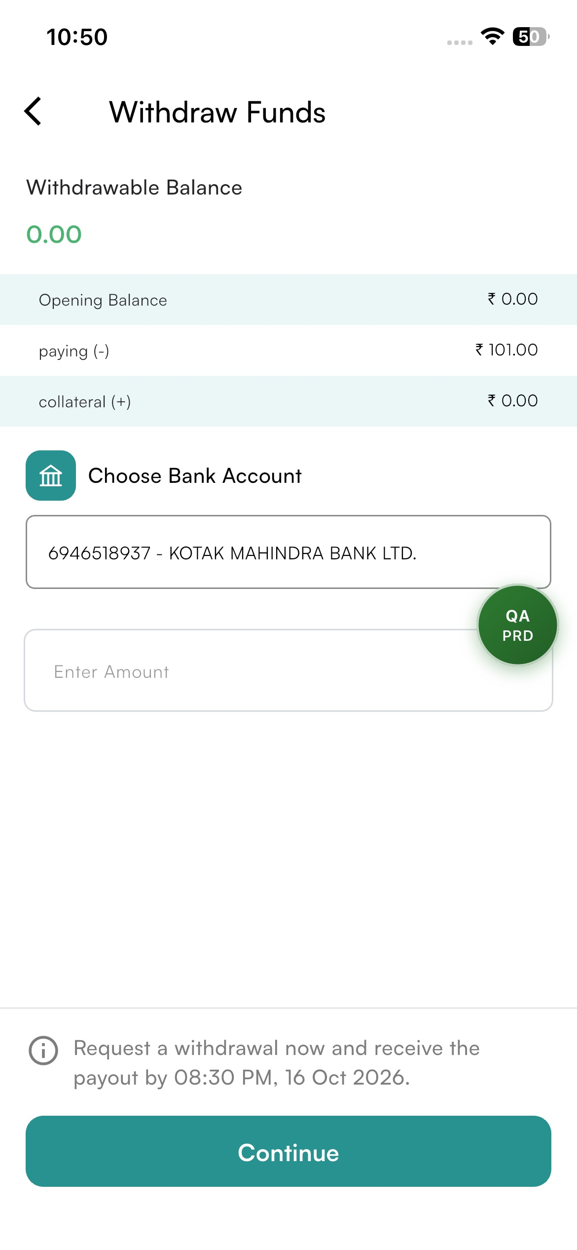

Before 4 PM Note | Android | After 4 PM Note

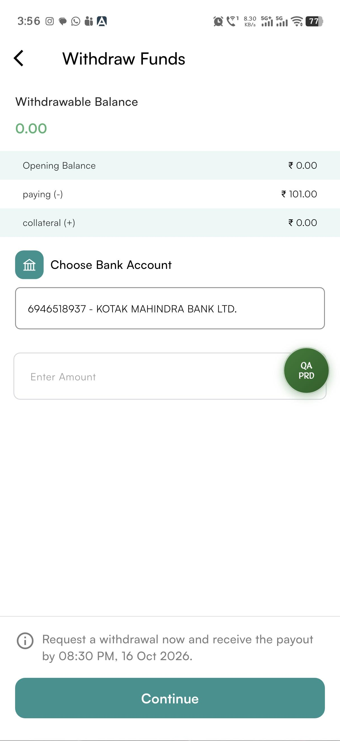
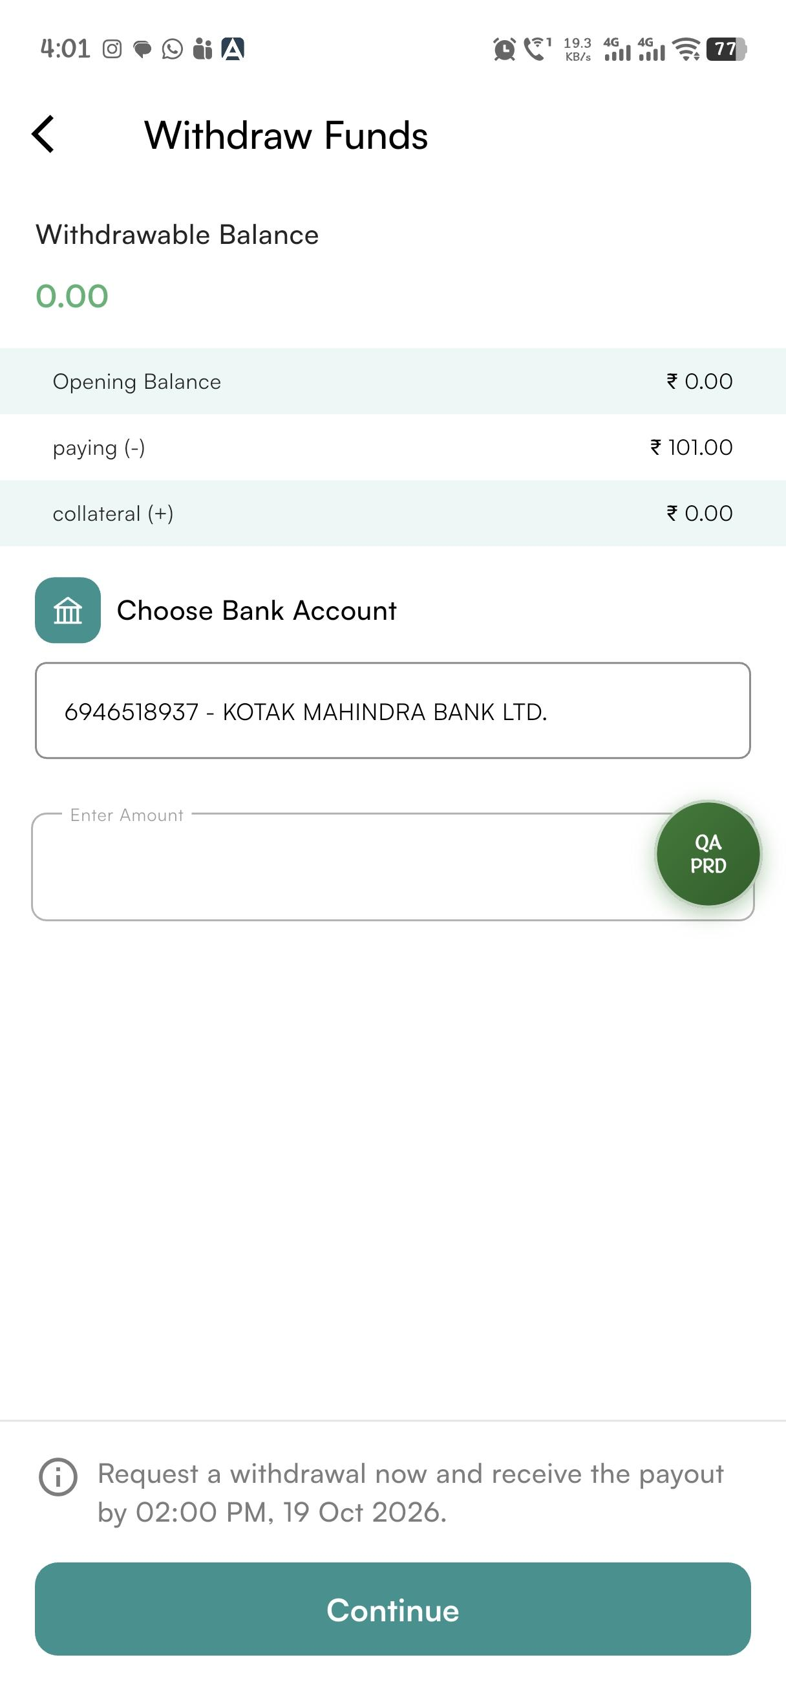

Before 4 PM Note | IOS |  | After 4 PM Note

